CDN DATA
 | preexisting | source
hard coal | 10257 | AB average (non-weighted average)
natural gas nonpeaker | 7205.9 | AB average for gas combined cycle (non-weighted average)
nuclear | 10459 | US data
hydro | 0
wind | 0
solar PV | 0
solar thermal | 0
biomass
geothermal | 0
petroleum | 10814 | US data
natural gas peaker | 8342.3 | AB average for gas single cycle (non-weighted average)
coal-to-gas | 12322 | Dale Hildebrand (personal communication, AB context)
cogen | 10975

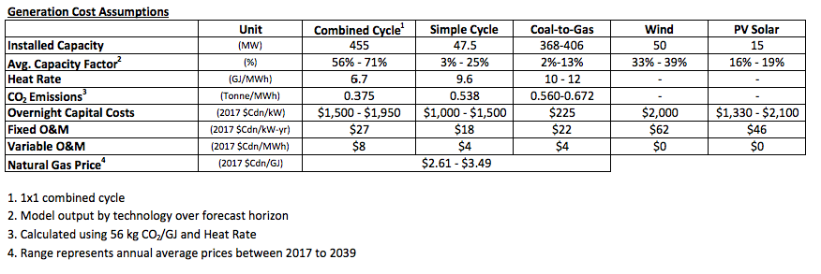

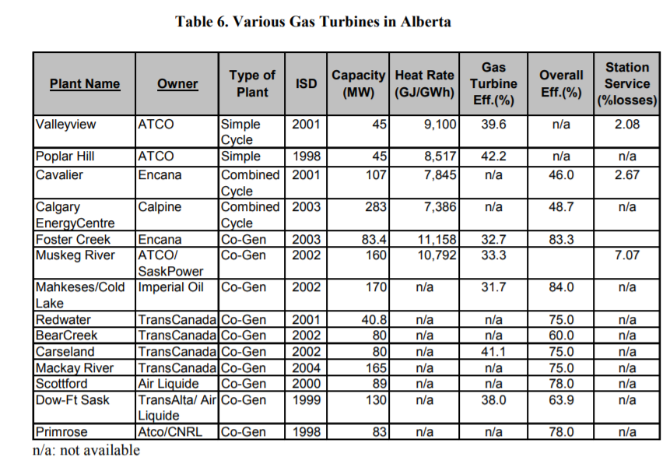
Calculating average heat rate for AB coal plant |  |  | Calculating cogen heat rate from efficiency
Source: http://www.hme.ca/reports/CASA_Report_--_The_Efficiency_of_Alberta%27s_Electrical_Supply_System_EEEC-02-04.pdf |  |  | Source: | Same as the left
Table 5
Ignoring HR Milner plant and Wabamum (assumed decommissioned). Unit: GJ/GWH |  |  | Heat rate: (average of the two available)
 | 11630 |  | 10975
 | 11630
 | 9980
 | 11426
 | 11003
 | 10838
 | 10726
 | 10136
 | 10136
 | 9368
 | 10222
 | 10222
 | 12920
 | 12439
 | 12353
 | 10220
 | 10220
 | 10726
 | 10726
 | 10892
 | 10892
 | 10221
 | 9978

